1. Title Page
Basket Analysis

Project Name: 2024 Instacart Basket Analysis
Date: October 20, 2023
Analyst Name: Mitchell Kubik

Contents:
Population Flow
Consistency checks
Wrangling steps
Column derivations
Visualizations
Recommendations

Citation: “The Instacart Online Grocery Shopping Dataset 2017”, Accessed from www.instacart.com/datasets/grocery-shopping-2017 via Kaggle on <date>.

2. Population Flow
Title page

Population flow

Exclusion flag
Condition: max_order <
Obervations to be removed:
Final total count of order_products_all:

Orders_products_combined
Orders_products_merged
Orders_products_all

Total:32,434,212
Total: 32,434,489
Total:32,404,859

1.) The grey boxes in the first row of the population flow represent the original data sets as they were when you downloaded them. In the Total fields you need to add the count of the rows when you imported the data set into Jupyter.
2.) The second row of boxes (coloured) represents the data sets after you manipulated them, e.g., removed missing values and duplicates. In the Total fields you need to add the count of the rows after conducting these operations. This offers a visual oveview of how the data flows throughout the data consistency checks.
3.) The third row, where also the arrows are coloured, represents the merges you performed between the datasets. In the Total fields you need to add the count of the rows in the merged datasets, so that you end up with the final dataset (in the red box). Keep in mind the final dataset should be without exclusions (based on the exclusion flag).

3. Consistency checks
 |  |  |  | Title page
Consistency checks

Dataset | Missing values | Missing values treatment | Duplicates
orders | days_since_prior_order - 206,209 | No treatment. Crosstab determined missing values to be customers 1st order. | No dups
products | product_name - 16 values | Missingalues dropped | 5 dups dropped
orders_products_prior | No missing values | n/a | No dups
customers | First Name - 11,259 missing values | First name's can be imputed based on user_id, however first and last names will be dropped from the df for PII reasons. | No dups

4. Wrangling steps
 |  |  |  | Title page
Wrangling steps

Columns dropped | Columns renamed | Columns' type changed | Comment/Reason
df_ords['eval_set'] |  |  | Irrelevent for the purposes of the analysis
 | df_ords{'order_dow' : 'order_day_of_week'} |  | Made more obvious for stakeholders
 |  | df_ords['order_id'] from integer to string | Value does not represent a real numeric value but a unique identifier.
 |  | df_ords['user_id'] from integer to string | Value does not represent a real numeric value but a unique identifier.
df_ords['Unnamed: 0'] |  |  | Unnecessary - linked to order/user id's
orders_products_combined['_merge'] |  |  | Unnecessary - confirmation of successful df merge
 | df_customer{'First Name' : 'first_name'} |  | Column format consistency
 | df_customer{'Surnam' : 'surname'} |  | Column format consistency
 | df_customer{'Gender' : 'gender'} |  | Column format consistency
 | df_customer{'STATE' : 'state'} |  | Column format consistency
 | df_customer{'Age' : 'age'} |  | Column format consistency
df_final['first_name'] |  |  | PII Data
df_final['surname'] |  |  | PII Data

5. Column derivations
 |  |  |  |  | Title page

Column derivations and aggregations
In this tab you should add tables below that the frequences of flags/label variables that you produced after deriving them. NB: don't do this for continuous variables, only for flags.

Dataset | New column | Column/s it was derived from | Conditions | Frequencies
ords_prods_merged | price_range | price | if row['prices']<= 5: return 'low range product' elif (row['prices'] > 5) and (row['prices'] <= 15): return 'mid range product' elif (row['prices'] > 15): return 'high range product' | mid range product 756450 low range product 243550
ords_prods_merged | busiest_day | order_day-of_week | for value in df_ords_prods_merged["orders_day_of_week"]: if value == 0: result.append("busiest day") elif value == 4: result.append("least busy") else: result.append("regularly busy") | regularly busy 22416875 busiest day 6204182 least busy 3783802
ords_prods_merged | busiest_days | order_day-of_week | for value in df_ords_prods_merged["orders_day_of_week"]: if value == 0 or value == 1: result_2.append("busiest days") elif value == 4 or value == 3: result_2.append("slowest days") else: result_2.append("regularly busy") | regularly busy 12916111 busiest days 11864412 slowest days 7624336
ords_prods_merged | busiest_period_of_day | order_hour_of_day | for value in df_ords_prods_merged["order_hour_of_day"]: if value in[10,11,14,15,13,12,16,9]: time_period.append("most orders") elif value in [3,4,2,5,1,0,6,23]: time_period.append("fewest orders") else: time_period.append("average orders") | most orders 21118071 average orders 9997651 fewest orders 1289137
ords_prods_merged | busiest_hours | order_hour_of_day | for value in df['order_hour_of_day']: for key, val in dict_hour_counts.items(): if value == key: if val < list_quantile[0]: result_t.append("fewest orders") elif val >= list_quantile[0] and val < list_quantile[1]: result_t.append("average orders") elif val >= list_quantile[1]: result_t.append("most orders") | most orders 505268 average orders 477991 fewest orders 16741
ords_prods_merged | max_order | user_id & order_number | ords_prods_merge['max_order'] = ords_prods_merge.groupby(['user_id'])['order_number.transform(np.max)
ords_prods_merged | loyalty_flag | max_order | …['max_order'] > 40, 'loyalty_flag'] = 'Loyal Customer’, …['max_order'] <= 40 & …['max_order'] > 10, 'loyalty_flag'] = 'Regular Customer', …['max_order'] <10, 'loyalty_flag] = 'New Customer' | Regular customer 15876776 Loyal customer 10284093 New customer 6243990
ords_prods_merged | avg_price | user_id & prices | … .grouby(['user_id']) ['prices'].transform(np.mean)
ords_prods_merged | spending_flag | avg_price | …[‘avg_price’] < 10, ‘spending_flag’] = ‘Low Spender’, ...[‘avg_price’] >=10, ‘spending_flag’] = ‘High Spender’ | Low Spender 31770614 High Spender 634245
ords_prods_merged | avg_days_between_orders | user_id & days_since_prior_order | ...ords_prods_merge.groupby(['user_id'])['days_since_prior_order'].transform(np.median)
ords_prods_merged | frequency_flag | avg_days_between_orders | ...['avg_days_between_orders'] > 20, 'frequency_flag'] = 'Non-Frequent Customer’, ...['avg_days_between_orders'] <= 20), 'frequency_flag'] = 'Regular Customer’, ...['avg_days_between_orders'] <= 10, 'frequency_flag'] = "Frequent Customer" | Frequent Customer 21559853 Regular Customer 7208564 Non-Frequent Customer 3636437 NaN 5
df_final (cust_ords_prods_merge) | region | state | Northeast =['Maine', 'New Hampshire', 'Vermont', 'Massachusetts', 'Rhode Island', 'Connecticut', 'New York', 'Pennsylvania', 'New Jersey'] Midwest = ['Wisconsin', 'Michigan','Illinois', 'Indiana', 'Ohio', 'North Dakota', 'South Dakota', 'Nebraska', 'Kansas', 'Minnesota', 'Iowa', 'Missouri'] South = ['Delaware', 'Maryland', 'District of Columbia', 'Virginia', 'West Virginia', 'North Carolina', 'South Carolina', 'Georgia', 'Florida', 'Kentucky', 'Tennessee', 'Mississippi', 'Alabama', 'Oklahoma', 'Texas', 'Arkansas', 'Louisiana'] West = ['Idaho', 'Montana', 'Wyoming', 'Nevada', 'Utah', 'Colorado', 'Arizona', 'New Mexico', 'Alaska', 'Washington', 'Oregon', 'California', 'Hawaii'] …['state'].isin(Northeast), 'region'] = 'Northeast' …['state'].isin(Midwest), 'region'] = 'Midwest' …['state'].isin(South), 'region'] = 'South' …['state'].isin(West), 'region'] = 'West' | South 10791885 West 8292913 Midwest 7597325 Northeast 5722736
df_final (cust_ords_prods_merge) | activity_flag | max order | …['max_order'] <= 4, 'activity_flag'] = 'low activity customer' …['max_order'] <= 4, 'activity_flag'] = 'low activity customer' | normal customer 30964564 low activity customer 1440295
df_normal (cust_ords_prods_merge w/o 'low activity customers') | age_group | age | …['age'] >= 18) & (df_normal['age'] <= 32), 'age_group'] = 'Age 18-32 Years' …['age'] >= 33) & (df_normal['age'] <= 48), 'age_group'] = 'Age 33-48 Years' …['age'] >= 49) & (df_normal['age'] <= 64), 'age_group'] = 'Age 49-64 Years' …['age'] >= 65), 'age_group'] = 'Age 65+ Years' | Age 65+ Years 8195544 Age 33-48 Years 7755276 Age 49-64 Years 7728610 Age 18-32 Years 7285134
df_normal (cust_ords_prods_merge w/o 'low activity customers') | income_group | income | …['income'] >=25000) & (df_normal['income'] <=66999), 'income_group'] = 'Low Income' …['income'] >=67000) & (df_normal['income'] <=127999), 'income_group'] = 'Medium Income' …['income'] >=128000), 'income_group'] = 'High Income' | Medium Income 15549969 High Income 7753117 Low Income 7661478
df_final (actual final DF) | fam_size | n_dependents | …['n_dependents'] == 0), 'fam_size'] = '1' …['n_dependents'] == 1), 'fam_size'] = '2' …['n_dependents'] == 2), 'fam_size'] = '3' …['n_dependents'] == 3), 'fam_size'] = '4' | 4 7772516 1 7739681 3 7733261 2 7719106

6. Visualizations

 |  | Title page

Visualisations

In this tab you should include all the visualtions from Exercises 4.9 and 4.10, alongside the questions from the project brief that they answer. Include any commentary on the relationship between different variables.

1. The sales team needs to know what the busiest days of the week and hours of the day are.

 | *Graph shows that customers spend more on Saturday and Friday. |  | *Bar Chart indicates that customers are more likely to make orders on either end of the week rather than in the middle of the week. | Chart indicates that the most orders are placed between 8am and 6pm, with the fewest orders being placed between midnight and 5am.
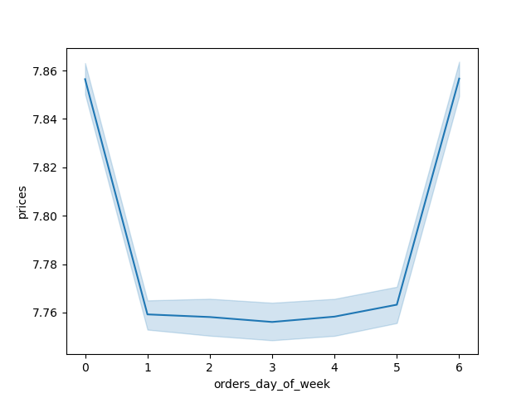
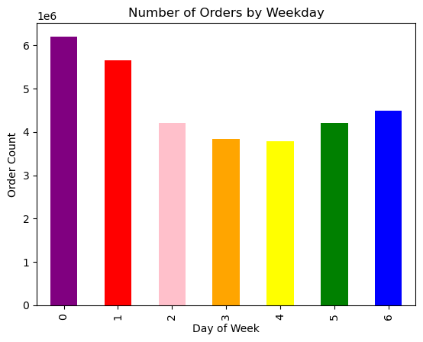
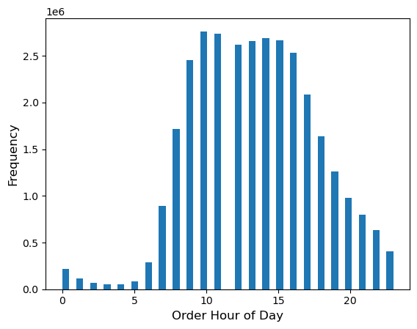

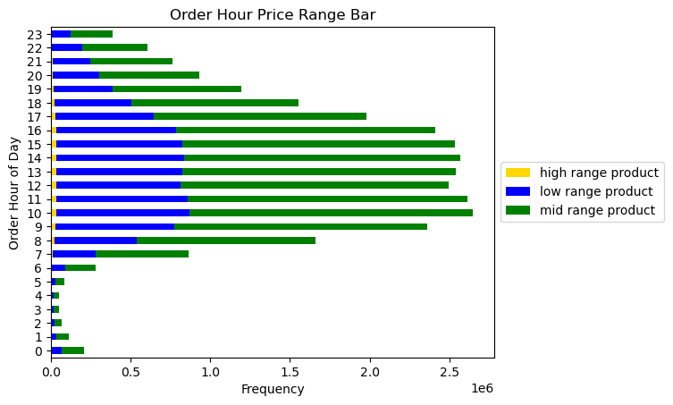

2. Are there particular times of day when people spend the most money?



 |  |  |  |  | *This graph uses the same data as the one above it, but now incorporates price ranges into the equation to see how different price groups act during different times of day.

 |  | *Higher priced items are purchased between 2am and 7am, then drop in price from 8am to 5pm, and rise again between 6pm and midnight.

3. Marketing and sales want to use a simpler price range groupings.


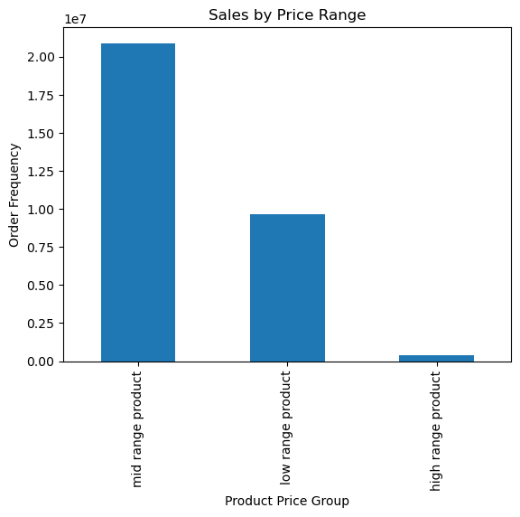
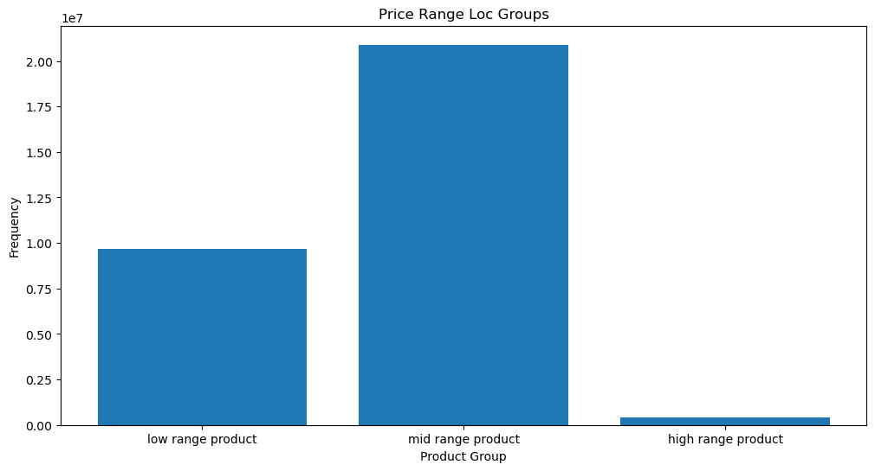

 |  |  |  |  |  | *The four figures shown to th eleft represent the frequencies at which products are a certain price. The only difference between the three visualizations are the bin sizes in which the products are grouped (left: 70, middle: 25, right: 3). The two graphs on the right are from the same data, but the far right has the x-axis order descending.

 | Price |  | Price

4. Are there certain types of products that are more popular than others? Which departments have the highest frequency of product orders?

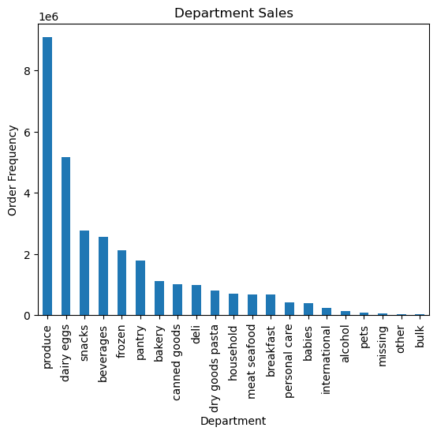

 |  |  | *The vast majority of orders are made to the produce department, with dairy/eggs, snacks, beverages, frozen, and pantry bringing up the next 5 busiest departments.

5a. What's the distribution among users in regards to their brand loyalty?



 |  |  | * Approximately 15 million regular customers (11-40 orders), 10 million loyal customers (more than 40 orders), and 6 million new customers.

5b. Are there differences in ordering habits based on a customers loyalty status?

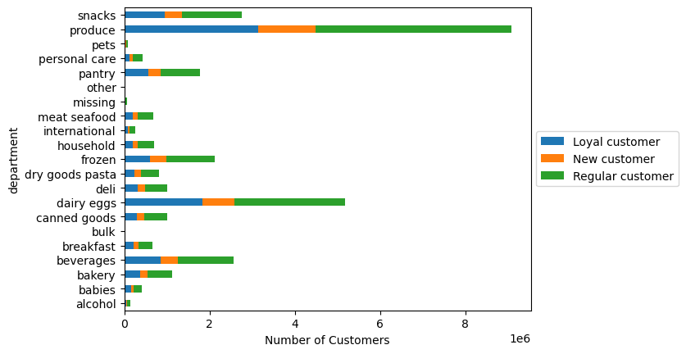

5c.Are there differences in spending habits based on a customers region?

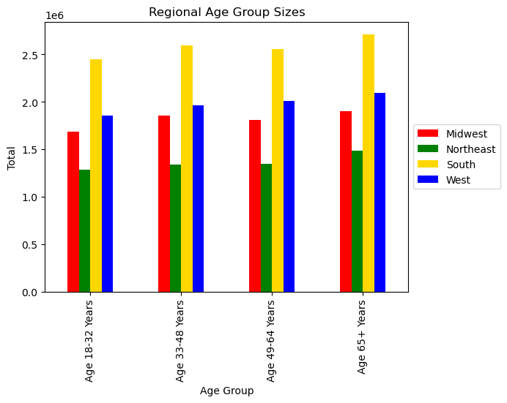
 |  |  |  | Income Group by region
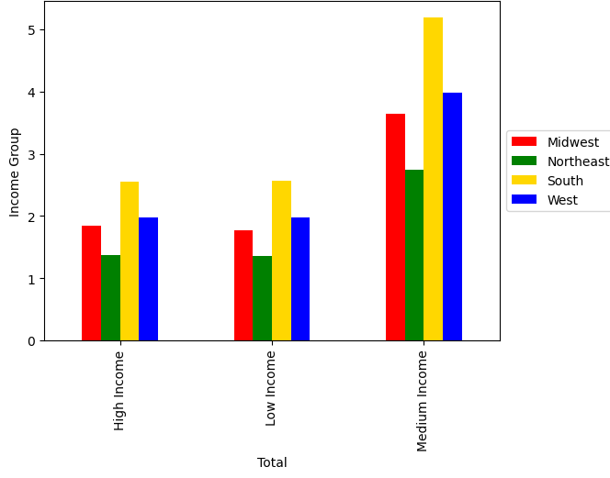

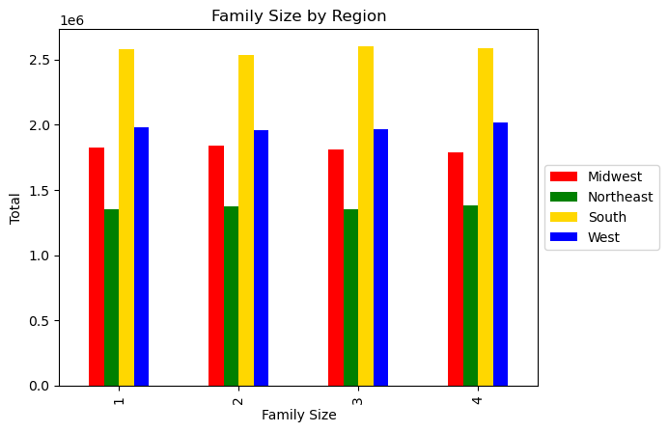
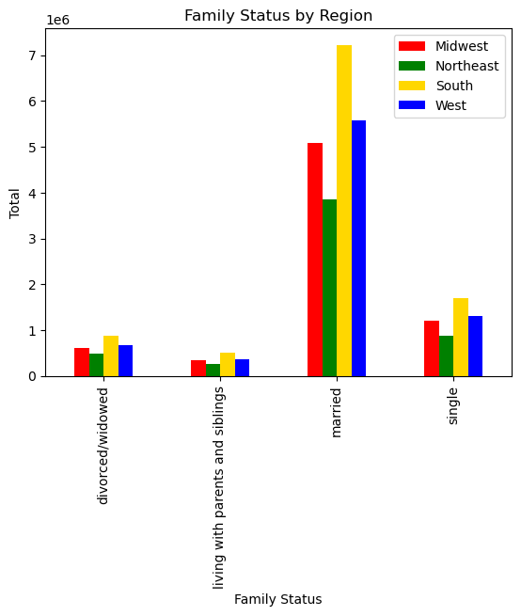

5d.Is there a connection between age and family status?

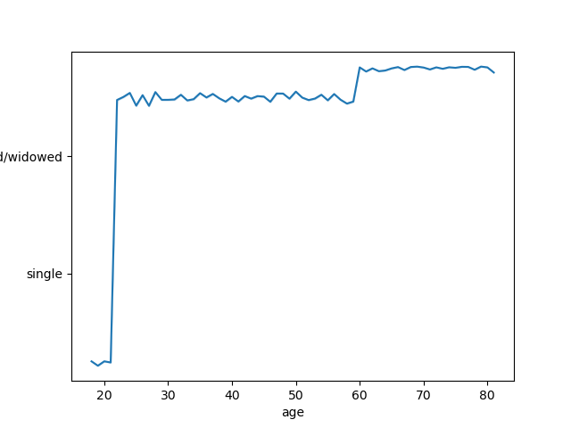

5e. What different classifications does the demographic info suggest?

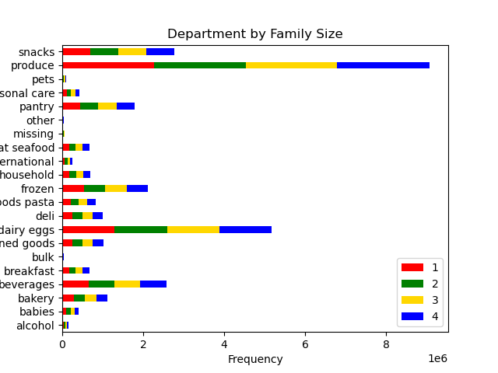
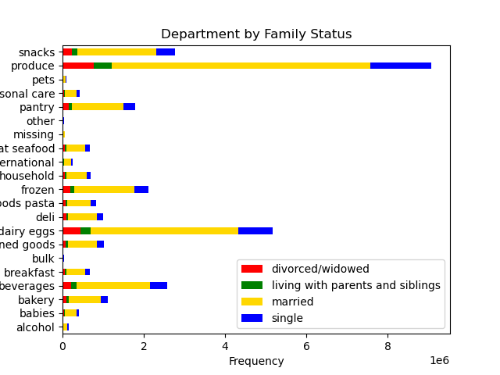

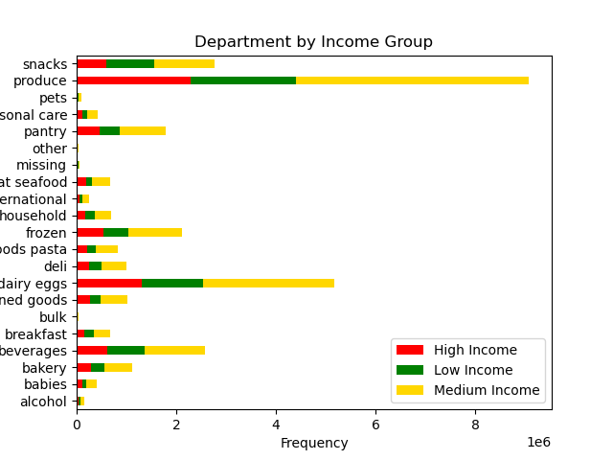

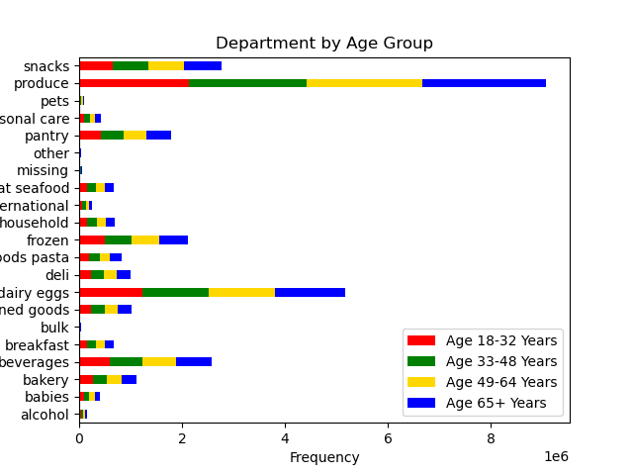

Income based on customer age

7. Recommendations
 |  | Title page

Recommendations

In this tab you should include any recommendations you would made to Instcart in terms of their marketing strategy based on the questions posed in the brief. Every key question has been covered in the Tasks of the Exercises - here you need to add an item - a visualisation or table/crosstable that is showing the answer in the data, acompanied by a comment from you. Please, list the questions below and add the answer underneath.

Key Questions | Reccomendations
1. The sales team needs to know what the busiest days of the week and hours of the day are in order to schedule ads at times when there are fewer orders. | Avg product price is higher on Friday and Saturday, and takes a slight dip Sunday - Thursday. The volume of orders are highest on Sat/Sun with an average of about 5.75 million orders per day. Monday and Friday see about 4 million orders per day and Tue/Thurs see on average about 3.85 milion orders per day. 8am - 6pm are the peak hours for IC orders with 12am-5am being the slowest (this would be expected as most people sleep at this time). I would reccomend that the sales team increase their advertisement efforts on Tuesdays and Thursdays primarily with a slight increase on Monday and Friday. This will hopefully increase the number of orders on our slower days. I would also reccomend that running an evening ad campaign to try and secure some more late-night (7pm-11pm) orders.
2. They also want to know whether there are particular times of the day when people spend the most money, as this might inform the type of products they advertise at these times. | Item prices seems to fluctuate throughout the day. Avg ticket prices are higher between 2am and 7am, with a drop in avg item price from 8am-5pm, and then another increase from 6pm-midnight. The 'Order Hour Price Range' bar in the visualizations tab indicates that 'high range products' are purchased mostly between the hours of 8am and 6pm. Because the avg item price drops during business hours, perhaps an email advertisement campaign during those hours in which we include some sort of promotion to encourage customers to order during that time.
3. Instacart has a lot of products with different price tags. Marketing and sales want to use simpler price range groupings to help direct their efforts. | When dividing products into three different price groups, we see that there is quite a disparity between 'mid-range products' and 'low' and 'high' range products. Mid-range products (between $5.01 and $15.00) are ordered more than twice as much as low-range products/ (<= $5.00). High range products make up just over 1% of total sales. Mid range products are far and away our most valuable price group, and should be the main focus of the marketing and sales teams.
4. Are there certain types of products that are more popular than others? The marketing and sales teams want to know which departments have the highest frequency of product orders | Produce, dairy/eggs, snacks, beverages, frozen, and pantry products are the most frequently ordered products. The Produce department especially deserves attention as they are almost twice as busy as the next busiest department.
5. The marketing and sales teams are particularly interested in the different types of customers in their system and how their ordering behaviors differ. | Loyalty status - If we focus our efforts on attracting new customers & rewarding 'regular customers', we will see growth in all sectors over time. I recommend promotions - to be determined by sales and marketing - for both new customers first purchases and a loyalty reward discount for regular and loyal customers. Regions - we are most popular in southern states, with the west and midwest in a close fight for second, and the Northeast bringing up the rear. I reccomend that the marketing budget focus on trying to bring up Northeast Sales this quarter. Age groups - we see a pretty even spread of customers across all age groups. Income - a majority of our customers fall under the medium income status, therefore I suggest we focus our inventory and marketing on those products that this demographic is most likely to buy. Family Status - A vast majority of our customers are married.

